Corrosion initiation prediction
Parameters |  |  |  | Without | With | Clim
Exposure period (year) | 15 | （This period is from built year to investigation year） | 0 | 0.2 | 0.2 | 2.0
C0 (kg/m3) | 12.290 |  | 1 | 0.2 | 0.2 | 2.0
Dap (cm2/year) | 0.752 |  | 2 | 0.20000009987 | 0.20000012983 | 2.0
Cover Thickness (mm) | 100 |  | 3 | 0.2000307789 | 0.20004001257 | 2.0
Clim (kg/m3) | 2.0 |  | 4 | 0.20056055425 | 0.20072872052 | 2.0
Ci (kg/m3) | 0.2 | (Initial content of chloride ion) | 5 | 0.20326554482 | 0.20424520826 | 2.0
γcl | 1.3 | (Safety factor: considering variation) | 6 | 0.21071570083 | 0.21393041108 | 2.0
 |  |  | 7 | 0.22527342085 | 0.2328554471 | 2.0
Considering variation of chloride ion penetration | With | Without | 8 | 0.24842505407 | 0.26295257029 | 2.0
Predicted year of corrosion initiation | 26 | 31 | 9 | 0.28070985732 | 0.30492281452 | 2.0
Residual years | 11 | 16 | 10 | 0.32193529078 | 0.35851587801 | 2.0
How to use:
1. Input appropriate values in each cell filled with yellow.
2. Automatecally, "Predicted year of corrosion initiation" and "Residual years" (in green cells) are calculated and a graph which shows the time-series of chloride ion content at embedded steel bars are drawn.
 |  |  | 11 | 0.37144282451 | 0.42287567187 | 2.0
 |  |  | 12 | 0.42832729271 | 0.49682548053 | 2.0
 |  |  | 13 | 0.49159003391 | 0.57906704408 | 2.0
 |  |  | 14 | 0.56023507947 | 0.66830560331 | 2.0
 |  |  | 15 | 0.63332402137 | 0.76332122778 | 2.0
 |  |  | 16 | 0.71000346852 | 0.86300450908 | 2.0
 |  |  | 17 | 0.78951541252 | 0.96637003628 | 2.0
 |  |  | 18 | 0.87119752838 | 1.0725567869 | 2.0
 |  |  | 19 | 0.95447795071 | 1.1808213359 | 2.0
 |  |  | 20 | 1.0388673493 | 1.290527554 | 2.0
 |  |  | 21 | 1.1239499979 | 1.4011349973 | 2.0
 |  |  | 22 | 1.2093748108 | 1.5121872541 | 2.0
 |  |  | 23 | 1.2948468715 | 1.623300933 | 2.0
 |  |  | 24 | 1.3801197081 | 1.7341556206 | 2.0
 |  |  | 25 | 1.4649884076 | 1.8444849298 | 2.0
 |  |  | 26 | 1.5492835696 | 1.9540686405 | 2.0
 |  |  | 27 | 1.6328660533 | 2.0627258692 | 2.0
 |  |  | 28 | 1.7156224437 | 2.1703091768 | 2.0
 |  |  | 29 | 1.7974611609 | 2.2766995092 | 2.0
 |  |  | 30 | 1.8783091306 | 2.3818018697 | 2.0
 |  |  | 31 | 1.9581089425 | 2.4855416252 | 2.0
 |  |  | 32 | 2.036816429 | 2.5878613577 | 2.0
 |  |  | 33 | 2.1143986039 | 2.6887181851 | 2.0
 |  |  | 34 | 2.190831908 | 2.7880814804 | 2.0
 |  |  | 35 | 2.2661007177 | 2.885930933 | 2.0
 |  |  | 36 | 2.3401960756 | 2.9822548983 | 2.0
 |  |  | 37 | 2.4131146119 | 3.0770489955 | 2.0
 |  |  | 38 | 2.4848576259 | 3.1703149137 | 2.0
 |  |  | 39 | 2.5554303049 | 3.2620593964 | 2.0
 |  |  | 40 | 2.6248410601 | 3.3522933781 | 2.0
 |  |  | 41 | 2.6931009605 | 3.4410312487 | 2.0
 |  |  | 42 | 2.7602232523 | 3.5282902279 | 2.0
 |  |  | 43 | 2.8262229489 | 3.6140898336 | 2.0
 |  |  | 44 | 2.8911164834 | 3.6984514285 | 2.0
 |  |  | 45 | 2.9549214119 | 3.7813978355 | 2.0
 |  |  | 46 | 3.0176561621 | 3.8629530107 | 2.0
 |  |  | 47 | 3.0793398201 | 3.9431417662 | 2.0
 |  |  | 48 | 3.1399919491 | 4.0219895338 | 2.0
 |  |  | 49 | 3.199632436 | 4.0995221668 | 2.0
 |  |  | 50 | 3.2582813621 | 4.1757657708 | 2.0

Calc C0 and Dap
Parameters
Exposure period (year) | 10 | （This period is from built year to investigation year）
C0 (kg/m3) | 2.490
Dap (cm2/year) | 2.863

 | Measured | Calculated
10 | 2.5 | 2.228
30 | 1.5 | 1.723
50 | 1.0 | 1.267
70 | 0.8 | 0.884
90 | 0.7 | 0.583
110 | 0.7 | 0.364
 |  | 0.000
 |  | 0.000
 |  | 0.000
 |  | 0.000
 |  | 0.000
 |  | 0.000
Result of investigation
Distance from the concrete surface x (mm) | Measured content of Cl- (kg/m3) | Calculated content of Cl- (kg/m3) | Square error | Sum of square error
10 | 2.5 | 2.228 | 0.07 | 0.328
30 | 1.5 | 1.723 | 0.05
50 | 1.0 | 1.267 | 0.07
70 | 0.8 | 0.884 | 0.01
90 | 0.7 | 0.583 | 0.01
110 | 0.7 | 0.364 | 0.11

How to use:
1. Input appropriate values in each cell filled with yellow.
2. Select "Data" tab and click "Solver"
If you can not find "solver", please add solver add-in.
3. In the Solver Parameters window, set items as below;
"Set Objective": $G$9 (red cell)
"To": Min
"By Changing Variable Cells": $B$4:$B$5 (two green cells)
4. Click "Solve" button.
5. Automatically, Optimize C0 and Dap (in green cells).
(Sum of square error (in red cell) is minimized.)
2.
2.

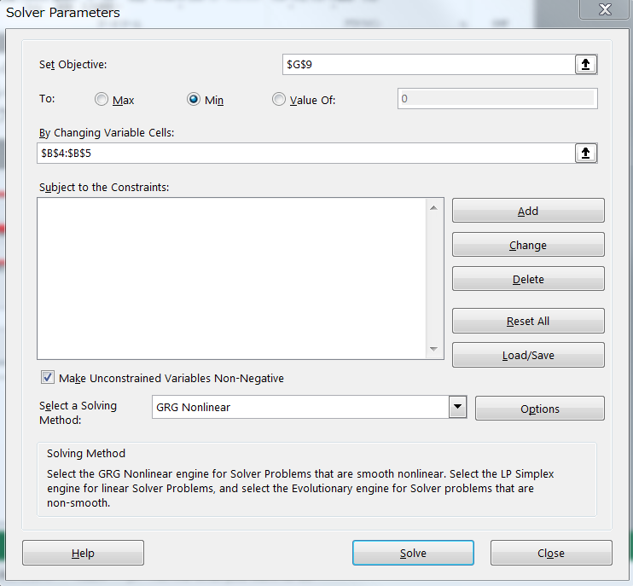
3.
4.

Calc C0 and Dap with Ci
Parameters
Exposure period (year) | 15 | （This period is from built year to investigation year）
Cini (kg/m3) | 0.2
C0 (kg/m3) | 12.290
Dap (cm2/year) | 0.752

 | Measured | Calculated
10 | 10.0 | 10.440
30 | 7.0 | 6.683
50 | 3.5 | 3.793
70 | 1.4 | 1.926
90 | 0.2 | 0.200
110 | 0.2 | 0.200
 |  | 0.000
 |  | 0.000
 |  | 0.000
 |  | 0.000
 |  | 0.000
 |  | 0.000
Results of investigation
Distance from the concrete surface x (mm) | Measured content of C- (kg/m3) | Measured content of Cl -Ci (kg/m3) | Calculated content of Cl (kg/m3) | Calculation content of Cl + Ci (kg/m3) | Square error | Sum of square error
10 | 10.0 | 9.8 | 10.240 | 10.440 | 0.06 | 0.440
30 | 7.0 | 6.8 | 6.483 | 6.683 | 0.27
50 | 3.5 | 3.3 | 3.593 | 3.793 | 0.01
70 | 1.4 | 1.2 | 1.726 | 1.926 | 0.11
90 | 0.2 | 0.0 |  | 0.200
110 | 0.2 | 0.0 |  | 0.200

How to use:
1. Input appropriate values in each cell filled with yellow.
2. Select "Data" tab and click "solver"
If you can not find "solver", please add solver add-in.
3. In the Solver Parameters window, set items as below;
"Set Objective": $G$9 (red cell)
"To": Min
"By Changing Variable Cells": $B$4:$B$5 (two green cells)
4. Click "Solve" button.
5. Automatically, Optimize C0 and Dap (in green cells).
(Sum of square error (in red cell) is minimized.)

2.
2.

3.
4.

